pivot_tables_orders
Coffee Sales Over Time
Top 5 Customers and the Coffee Types Purchased
1. Coffee Sales Over Time |  |  |  |  |  |  |  | 4. Sales by Country |  |  | 7. Top 5 Customers and the Coffee Types Purchased
Sum of Sales | Column Labels |  |  |  |  |  |  | Row Labels | Sum of Sales |  | Customer Name | Country | Coffee Type full | Sum of Sales
Row Labels | Arabica | Excelsa | Liberica | Robusta | Grand Total |  |  | Ireland | $6,697 |  | Allis Wilmore |  |  | $317.07
2019 | $2,927 | $3,481 | $3,378 | $2,401 | $12,187 |  |  | United Kingdom | $2,799 |  |  | United States |  | $317.07
Jan | $187 | $306 | $213 | $123 | $829 |  |  | United States | $35,639 |  |  |  | Liberica | $179.64
Feb | $252 | $129 | $434 | $172 | $987 |  |  |  |  |  |  |  | Robusta | $137.42
Mar | $225 | $349 | $321 | $126 | $1,021 |  |  | 5. Total Sales by Coffee Type |  |  | Brenn Dundredge |  |  | $307.04
Apr | $307 | $681 | $534 | $159 | $1,681 |  |  | Row Labels | Sum of Sales |  |  | United States |  | $307.04
May | $54 | $83 | $194 | $68 | $399 |  |  | Arabica | $11,768 |  |  |  | Arabica | $11.66
Jun | $163 | $678 | $171 | $372 | $1,385 |  |  | Excelsa | $12,306 |  |  |  | Excelsa | $213.57
Jul | $345 | $274 | $184 | $201 | $1,004 |  |  | Liberica | $12,054 |  |  |  | Robusta | $81.82
Aug | $335 | $71 | $134 | $166 | $706 | 2. Most Sold Coffee Type and Roast Type |  | Robusta | $9,005 |  | Terri Farra |  |  | $289.11
Most Sold Coffee Type and Roast Type
Sep | $179 | $166 | $439 | $493 | $1,277 | Row Labels | Sum of Sales | Grand Total | $45,134 |  |  | United States |  | $289.11
Oct | $302 | $154 | $216 | $214 | $885 | Excelsa | $12,306 | Sales by year and Coffee Type |  |  |  |  | Arabica | $215.01
Nov | $313 | $63 | $351 | $96 | $823 | Medium | $4,082 | Years (Order Date) | Coffee Type full | Sum of Sales |  |  | Liberica | $31.08
Dec | $266 | $527 | $187 | $211 | $1,190 | Light | $4,797 | 2019 | Arabica | $2,927 |  |  | Robusta | $43.02
2020 | $3,356 | $3,663 | $2,604 | $2,493 | $12,118 | Dark | $3,428 |  | Excelsa | $3,481 | Nealson Cuttler |  |  | $281.67
Jan | $47 | $66 | $275 | $179 | $567 | Liberica | $12,054 |  | Liberica | $3,378 |  | United States |  | $281.67
Feb | $745 | $429 | $194 | $430 | $1,798 | Medium | $3,392 |  | Robusta | $2,401 |  |  | Excelsa | $94.71
Mar | $130 | $271 | $281 | $232 | $915 | Light | $4,566 | 2019 Total |  | $12,187 |  |  | Liberica | $186.96
Apr | $27 | $347 | $148 | $240 | $762 | Dark | $4,096 | 2020 | Arabica | $3,356 | Don Flintiff |  |  | $278.01
May | $255 | $542 | $83 | $59 | $939 | Arabica | $11,768 |  | Excelsa | $3,663 |  | United Kingdom |  | $278.01
Jun | $585 | $357 | $355 | $141 | $1,438 | Medium | $4,489 |  | Liberica | $2,604 |  |  | Arabica | $137.31
Jul | $431 | $227 | $236 | $415 | $1,309 | Light | $4,232 |  | Robusta | $2,493 |  |  | Excelsa | $82.50
Aug | $23 | $78 | $61 | $140 | $300 | Dark | $3,048 | 2020 Total |  | $12,118 |  |  | Liberica | $58.20
Sep | $126 | $195 | $89 | $303 | $713 | Robusta | $9,005 | 2021 | Arabica | $4,046
Oct | $376 | $523 | $441 | $174 | $1,515 | Medium | $2,638 |  | Excelsa | $3,470
Nov | $515 | $143 | $347 | $104 | $1,109 | Light | $3,759 |  | Liberica | $3,837
Dec | $96 | $485 | $94 | $77 | $752 | Dark | $2,608 |  | Robusta | $2,414
2021 | $4,046 | $3,470 | $3,837 | $2,414 | $13,766 |  |  | 2021 Total |  | $13,766
Jan | $258 | $140 | $280 | $160 | $838 | 3. Quantity Sold by Coffee Type and Roast Type |  | 2022 | Arabica | $1,440
Quantity Sold by Coffee Type and Roast Type
Feb | $342 | $284 | $252 | $81 | $959 | Row Labels | Sum of Quantity |  | Excelsa | $1,692
Mar | $418 | $468 | $405 | $253 | $1,545 | Arabica | 947 |  | Liberica | $2,235
Apr | $102 | $242 | $555 | $106 | $1,006 | Medium | 358 |  | Robusta | $1,697
May | $235 | $133 | $267 | $273 | $908 | Light | 278 | 2022 Total |  | $7,063
Jun | $430 | $136 | $210 | $88 | $865 | Dark | 311
Sales by Country and Coffee Type
Jul | $109 | $394 | $61 | $199 | $763 | Robusta | 878 | 6. Sales by Country and Coffee Type
Aug | $288 | $289 | $126 | $374 | $1,076 | Medium | 266 | Country | Coffee Type full | Sum of Sales
Sep | $841 | $410 | $171 | $221 | $1,644 | Light | 326 | United Kingdom | Arabica | $267
Oct | $299 | $260 | $585 | $256 | $1,400 | Dark | 286 |  | Robusta | $705
Nov | $323 | $566 | $538 | $189 | $1,616 | Excelsa | 872 |  | Liberica | $877
Dec | $399 | $148 | $388 | $212 | $1,148 | Medium | 273 |  | Excelsa | $950
2022 | $1,440 | $1,692 | $2,235 | $1,697 | $7,063 | Light | 319 | United Kingdom Total |  | $2,799
Jan | $113 | $166 | $844 | $147 | $1,269 | Dark | 280 | Ireland | Arabica | $1,360
Feb | $115 | $134 | $91 | $54 | $394 | Liberica | 854 |  | Excelsa | $1,533
Mar | $278 | $175 | $463 | $400 | $1,315 | Medium | 268 |  | Robusta | $1,637
Apr | $198 | $290 | $89 | $200 | $776 | Light | 307 |  | Liberica | $2,167
May | $193 | $212 | $292 | $304 | $1,002 | Dark | 279 | Ireland Total |  | $6,697
Jun | $180 | $426 | $170 | $379 | $1,155 |  |  | United States | Robusta | $6,664
Jul | $247 | $247 | $271 | $142 | $907 |  |  |  | Liberica | $9,010
Aug | $116 | $41 | $16 | $71 | $244 |  |  |  | Excelsa | $9,824
Grand Total | $11,768 | $12,306 | $12,054 | $9,005 | $45,134 |  |  |  | Arabica | $10,141
 |  |  |  |  |  |  |  | United States Total |  | $35,639

pivot_tables_RFM
5. Loyalty card ownership among each customer type
1. Count Distinct Customer Type |  | 2. Avg Days Since Last Purchased by Customer Type |  | 5. Loyalty card ownership among each customer type
Row Labels | Count of Customer Type | Row Labels | Average of Days Since Last Purchased | Row Labels | Count of Loyalty Card
At Risk | 36.69% | At Risk | 826 days | At Risk | 335
Loyal | 1.86% | Loyal | 269 days | No | 168
Need Attention | 46.55% | Need Attention | 505 days | Yes | 167
Promising | 3.94% | Promising | 554 days | Loyal | 17
Potential Promising | 4.16% | Potential Promising | 269 days | No | 11
Lost | 6.79% | Lost | 1128 days | Yes | 6
Grand Total | 100.00% |  |  | Need Attention | 425
Coustomer Segmentations Count
 |  | 3. Avg Purchase Frequency by Customer Type |  | No | 225
 |  | Row Labels | Average of Purchase Frequeucy | Yes | 200
 |  | At Risk | 1 | Promising | 36
 |  | Loyal | 3 | No | 22
 |  | Need Attention | 1 | Yes | 14
 |  | Promising | 2 | Potential Promising | 38
 |  | Potential Promising | 1 | No | 18
 |  | Lost | 1 | Yes | 20
 |  |  |  | Lost | 62
 |  | 4. Avg Spending by Customer Type |  | No | 26
 |  | Row Labels | Average of Total Amount Spent | Yes | 36
 |  | At Risk | $24
 |  | Loyal | $151 | 6.Total Customers
 |  | Need Attention | $63 | Count of Customer ID
 |  | Promising | $111 | 913
 |  | Potential Promising | $87
 |  | Lost | $9 | 7.Customers Own Loyalty Card
 |  |  |  | Row Labels | Count of Customer ID
 |  |  |  | No | 51%
 |  |  |  | Yes | 49%
 |  |  |  | Grand Total | 100%

dashboard_sales
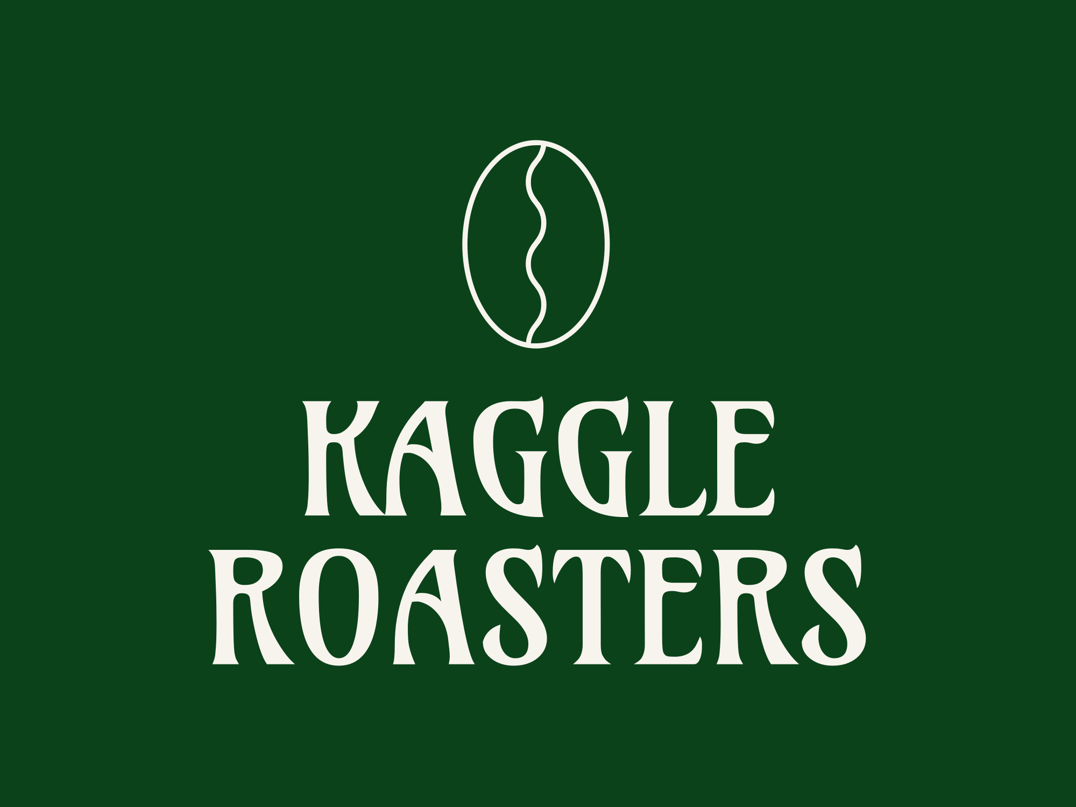
 |  | Sales by year and Coffee Type

 |  | Years | Coffee Type full | Sum of Sales
 |  | 2019 | Arabica | $2,927
 |  |  | Excelsa | $3,481
 |  |  | Liberica | $3,378
 |  |  | Robusta | $2,401
Sales Over Time
 | Arabica | Excelsa | Liberica | Robusta
Jan | $187 | $306 | $213 | $123
Feb | $252 | $129 | $434 | $172
Mar | $225 | $349 | $321 | $126
Apr | $307 | $681 | $534 | $159
May | $54 | $83 | $194 | $68
Jun | $163 | $678 | $171 | $372
Jul | $345 | $274 | $184 | $201
Aug | $335 | $71 | $134 | $166
Sep | $179 | $166 | $439 | $493
Oct | $302 | $154 | $216 | $214
Nov | $313 | $63 | $351 | $96
Dec | $266 | $527 | $187 | $211
Jan | $47 | $66 | $275 | $179
Feb | $745 | $429 | $194 | $430
Mar | $130 | $271 | $281 | $232
Apr | $27 | $347 | $148 | $240
May | $255 | $542 | $83 | $59
Jun | $585 | $357 | $355 | $141
Jul | $431 | $227 | $236 | $415
Aug | $23 | $78 | $61 | $140
Sep | $126 | $195 | $89 | $303
Oct | $376 | $523 | $441 | $174
Nov | $515 | $143 | $347 | $104
Dec | $96 | $485 | $94 | $77
Jan | $258 | $140 | $280 | $160
Feb | $342 | $284 | $252 | $81
Mar | $418 | $468 | $405 | $253
Apr | $102 | $242 | $555 | $106
May | $235 | $133 | $267 | $273
Jun | $430 | $136 | $210 | $88
Jul | $109 | $394 | $61 | $199
Aug | $288 | $289 | $126 | $374
Sep | $841 | $410 | $171 | $221
Oct | $299 | $260 | $585 | $256
Nov | $323 | $566 | $538 | $189
Dec | $399 | $148 | $388 | $212
Jan | $113 | $166 | $844 | $147
Feb | $115 | $134 | $91 | $54
Mar | $278 | $175 | $463 | $400
Apr | $198 | $290 | $89 | $200
May | $193 | $212 | $292 | $304
Jun | $180 | $426 | $170 | $379
Jul | $247 | $247 | $271 | $142
Aug | $116 | $41 | $16 | $71
Total Sales |  | 2019 Total |  | $12,187
 |  | 2020 | Arabica | $3,356
Row Labels | Sum of Sales |  | Excelsa | $3,663
Arabica | $11,768 |  | Liberica | $2,604
Excelsa | $12,306 |  | Robusta | $2,493
Liberica | $12,054 | 2020 Total |  | $12,118
Robusta | $9,005 | 2021 | Arabica | $4,046
Grand Total | $45,134 |  | Excelsa | $3,470
 |  |  | Liberica | $3,837
Sales by Country |  |  | Robusta | $2,414
 |  | 2021 Total |  | $13,766
Row Labels | Sum of Sales | 2022 | Arabica | $1,440
Ireland | $6,697 |  | Excelsa | $1,692
United Kingdom | $2,799 |  | Liberica | $2,235
United States | $35,639 |  | Robusta | $1,697
 |  | 2022 Total |  | $7,063
Sales by Coffee Type and its Roast Level
 | Total
Medium | $4,082
Light | $4,797
Dark | $3,428
Medium | $3,392
Light | $4,566
Dark | $4,096
Medium | $4,489
Light | $4,232
Dark | $3,048
Medium | $2,638
Light | $3,759
Dark | $2,608
Quantity Sold by Coffee Type and Roast Level
 | Total
Medium | 358
Light | 278
Dark | 311
Medium | 266
Light | 326
Dark | 286
Medium | 273
Light | 319
Dark | 280
Medium | 268
Light | 307
Dark | 279
Sales by Coffee Type and Country
 | Total
Arabica | $267
Robusta | $705
Liberica | $877
Excelsa | $950
Arabica | $1,360
Excelsa | $1,533
Robusta | $1,637
Liberica | $2,167
Robusta | $6,664
Liberica | $9,010
Excelsa | $9,824
Arabica | $10,141
Top 5 Customers by Coffee Type
 | Total
Liberica | $179.64
Robusta | $137.42
Arabica | $11.66
Excelsa | $213.57
Robusta | $81.82
Arabica | $215.01
Liberica | $31.08
Robusta | $43.02
Excelsa | $94.71
Liberica | $186.96
Arabica | $137.31
Excelsa | $82.50
Liberica | $58.20

dashboard_RFM
RFM Analysis

Customer purchasing behavior is analysed using three factors: Recency, Frequency, and Monetary value. Each factor is scored on a scale of 0-10, and the average of these scores becomes the overall score. Based on the overall score,
customers are segmented into six categories: Loyal, Promising, Potential Promising, Need Attention, At Risk, and Lost. The higher the score, the more loyal the customers are.
Again, we have divided the six categories into three: High Value, Moderate Engagement Needed, and High Engagement Needed which will serve as guidance for developing tailored solutions for customer types within each category.

Types of Customers
 | Total
At Risk | 36.69%
Loyal | 1.86%
Need Attention | 46.55%
Promising | 3.94%
Potential Promising | 4.16%
Lost | 6.79%
Total Customers
High Value
Loyal
[Score 10 - 8] Frequent or big buyers. Most of them scores above average across all RFM factors.
913

Moderate
Engagement Needed
Promising
[Score 7 - 6] Most of them have one or two significant scores among RFM factors.
Own Loyalty Cards
Potential Promising
[Score 5] Average buyers - most are not returning customers but may have spent a decent amount of money.
49%
Need Attention
[Score 4 - 3] Shows similar purchasing patterns to Potential Promising buyer type but spends less.

High
Engagement
Needed
At Risk
[Score 2 - 1] Not returning , make fewer purchases overall, and tend to spend less per transaction.

Lost
[Score 0] Shows similar patterns to At Risk buyer type but spends less - average amount spent is below $10.

Loyalty card ownership by each customer type
 | Total
No | 168
Yes | 167
No | 11
Yes | 6
No | 225
Yes | 200
No | 22
Yes | 14
No | 18
Yes | 20
No | 26
Yes | 36
Customer Groups that Requires Attention [score <=4]
Valueable Customer Groups [score >=5]

 | Customer Group | Avg Days Since Last Purchase | Customer Group | Avg of Days Since Last Purchase
 | At Risk | 823 days | Loyals | 236 days
 | Lost | 1127 days | Potential Promising | 253 days
 | Need Attention | 500 days | Promising | 486 days

 | Customer Group | Average of Purchase Frequency | Customer Group | Average of Purchase Frequency
 | At Risk | 1 | Loyals | 3
 | Lost | 1 | Potential Promising | 1
 | Need Attention | 1 | Promising | 2

 | Customer Gruop | Average of Total Spending | Customer Gruop | Average of Total Spending
 | At Risk | $24.03 | Loyals | $168.08
 | Lost | $9.31 | Potential Promising | $82.40
 | Need Attention | $63.73 | Promising | $84.96

